Definitions
Raw Data Column Definitions
Column | Column heading | Description
A | ContestName | The name of the contest
B | ChoiceName | Candidate name or ballot measure choice (e.g. "Yes" or "No")
C | PrecinctName | The precinct in which the ballot was cast and into which the ballot count and vote count were recorded
D | CounterGroup | The counter group into which the ballot and vote counts are recorded. AB1 - ballots cast through the mail <NEED DEFINITION> AB2 - <NEED DEFINITION> EV - ballots cast in vote centers during the early voting period ED - ballots cast in precincts on Election Day PROV - ballots cast at the precinct but not counted until the voter was be verified.
E | VSPaperCards | The reported number of cards cast according to the Primary Voting Systems
F | AuditPaperCards | The reported number of cards cast according to the Audit System
G | CardDiscrepancy | Column F - Column E
H | AuditAutomaticVotes | The number of votes automatically tabulated by the Audit System for the Choice (Col B) in Precinct (Col C) in CounterGroup (Col D)
I | AuditCanvassingVotes | The number of votes tabulated from "unreadable" ballots (see definition below)
J | AuditPaperVotes | Column H + Column I
K | VSPaperVotes | The number of votes recorded by the Primary Voting System for the Choice (Column B) in Precinct (Column C) in CounterGroup (Column D)
L | VoteDiscrepancy | Column J - Column K
M | OverVoted | The number of ballots in which Contest (Column A) was overvoted and therefore did not count.
N | BlankVoted | The number of ballots for which no votes were recorded for the Contest (Column A).
O | ABS_VoteDiscrepancy | The absolute value of Column L (prevents plusses and minuses from cancelling out one another).

Other Definitions
 | Audit Threshold Ratio | The ratio, computed for each contest, of the absolute value of vote discrepancies divided by the total number of votes cast. Values above 0.5% triggers a formal examination of the contest.
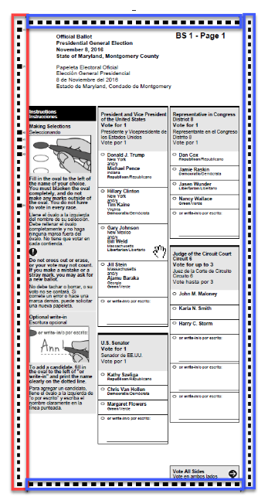 | Unreadable ballots | As each ballot is scanned, it is thoroughly analyzed to ensure that it is a properly formed ballot. A ballot is declared "unreadable" if any of the following tests fail: 1. The number of landmarks is equal to the number expected based on the length of the ballot. Landmarks are shown in red and blue on the ballot at right. 2. The landmarks fall within a range of the expected size and spacing which allows for printing variations in ballot-on-demand printers. 3. The code channel (shown in red), which designates the ballot style, is properly formed and all encoded checksums are properly computed. Unreadable ballots must be manually resolved in order for the ballot and its votes to be counted.

